Waveforms
Sl.No. | TESTCASES | WAVEFORMS
1 | ApbWriteToSlave1Test | 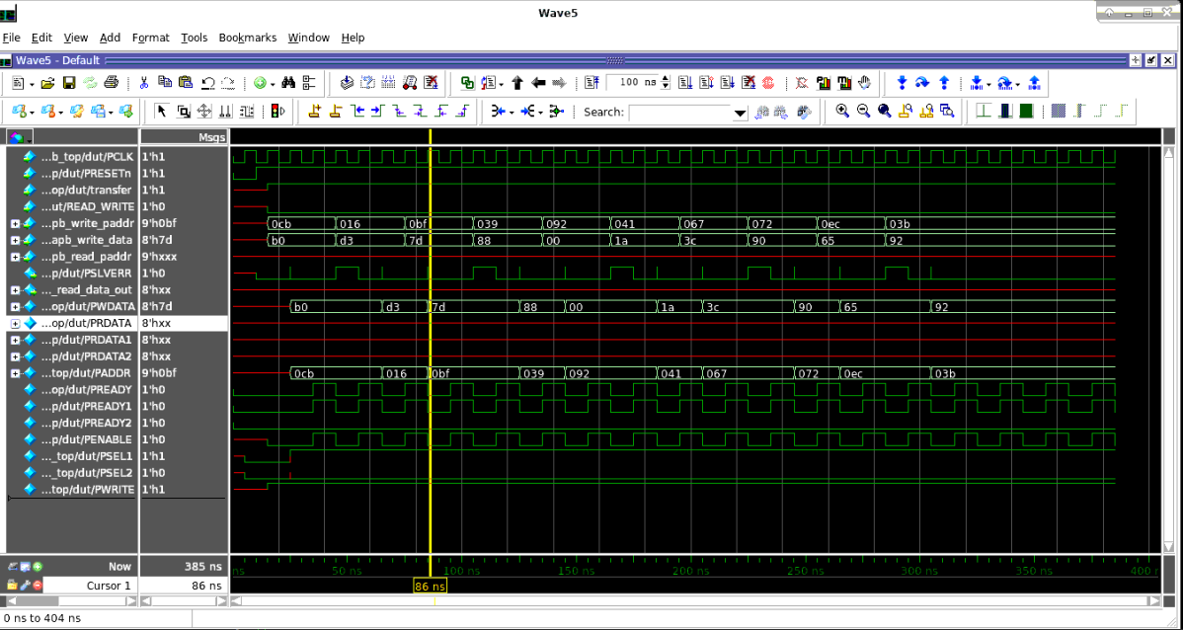
2 | ApbWriteToSlave2Test | 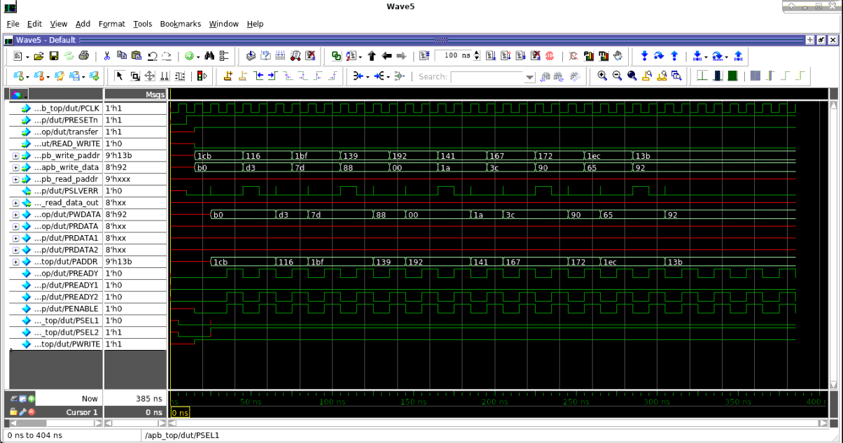
3 | 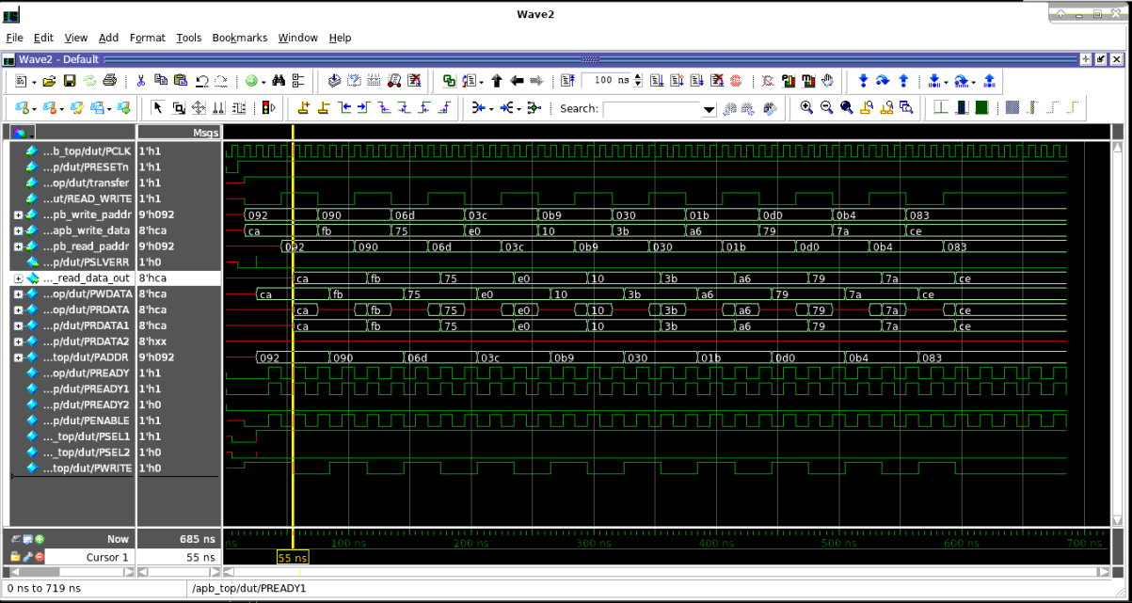 ApbAlternateWriteReadForSlave1Test
4 | ApbAlternateWriteReadForSlave2Test | 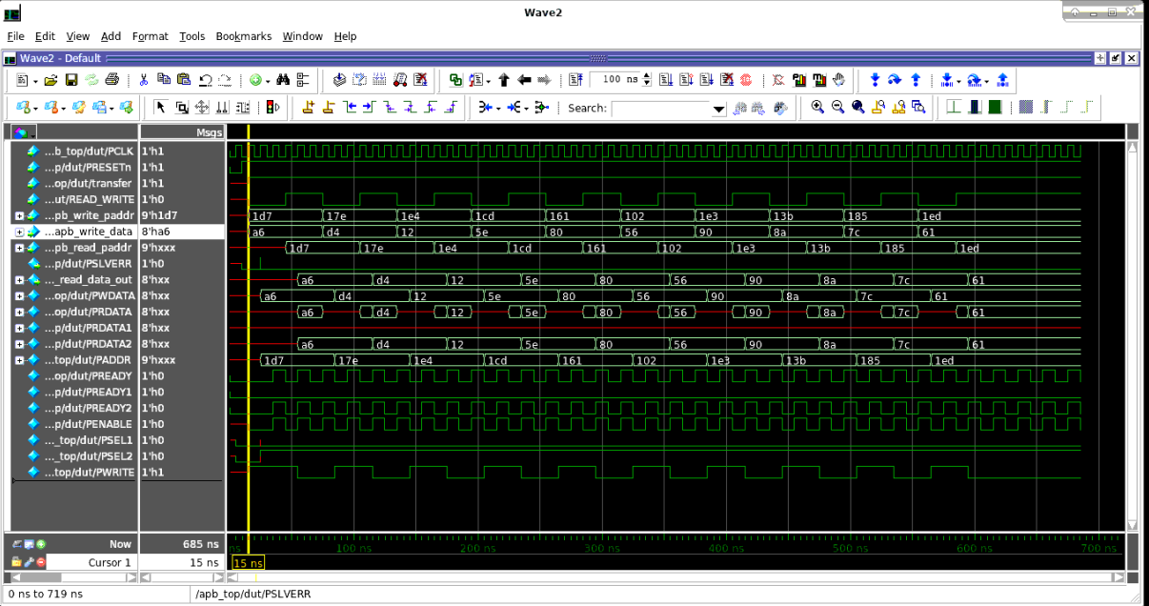
5 | ApbRepeatedWriteAccessForSlave1Test | 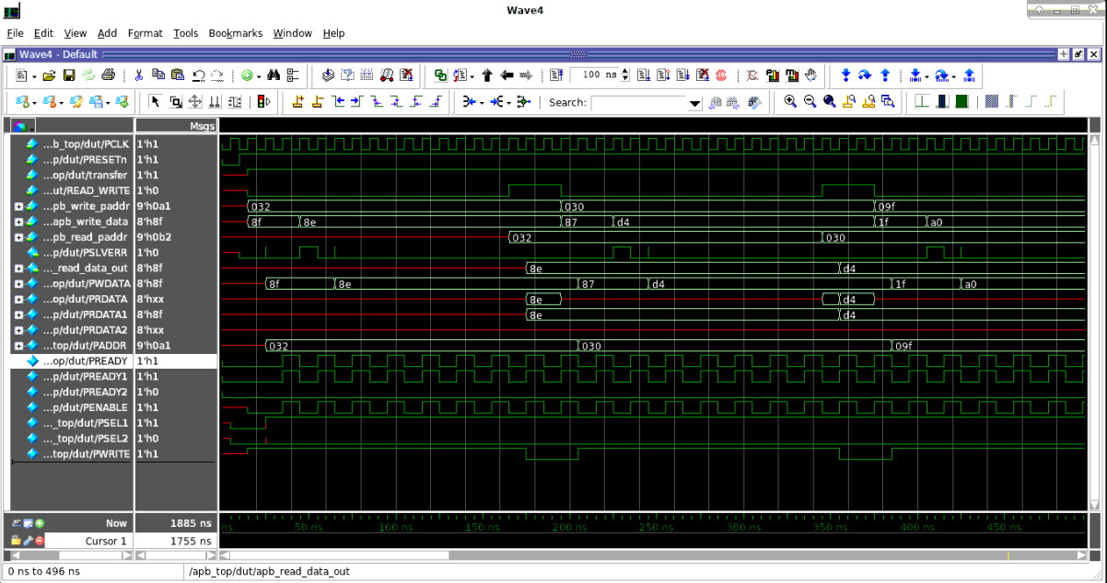 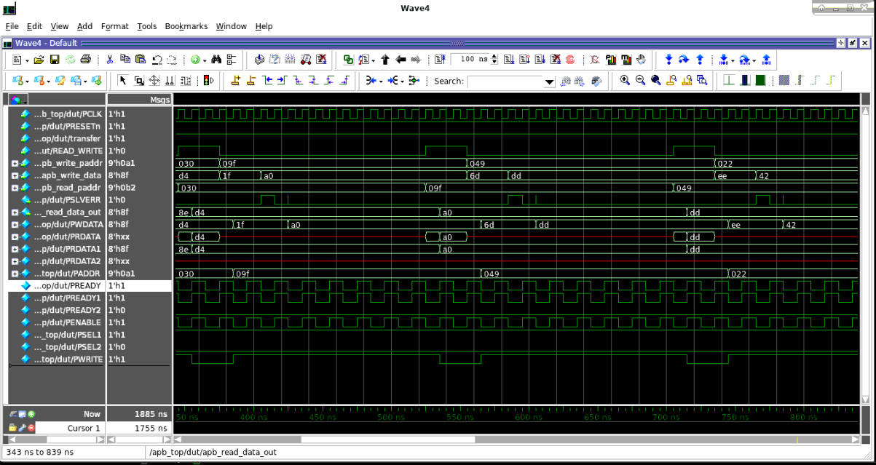
6 | ApbRepeatedWriteAccessForSlave2Test | 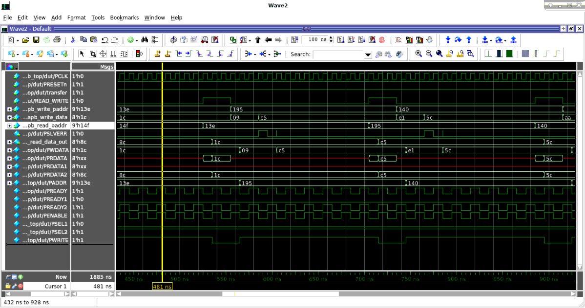
7 | ApbBoundaryAddressCheckTest
8 | ApbTransferDisableTest
9 | 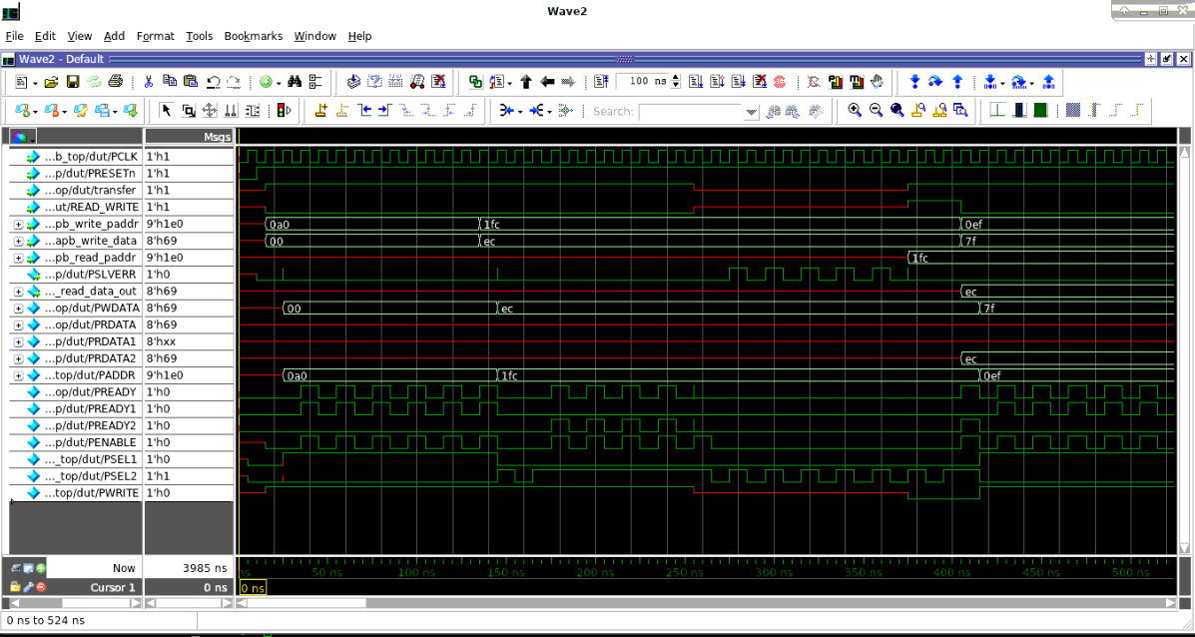 ApbSlaveToggleTest | 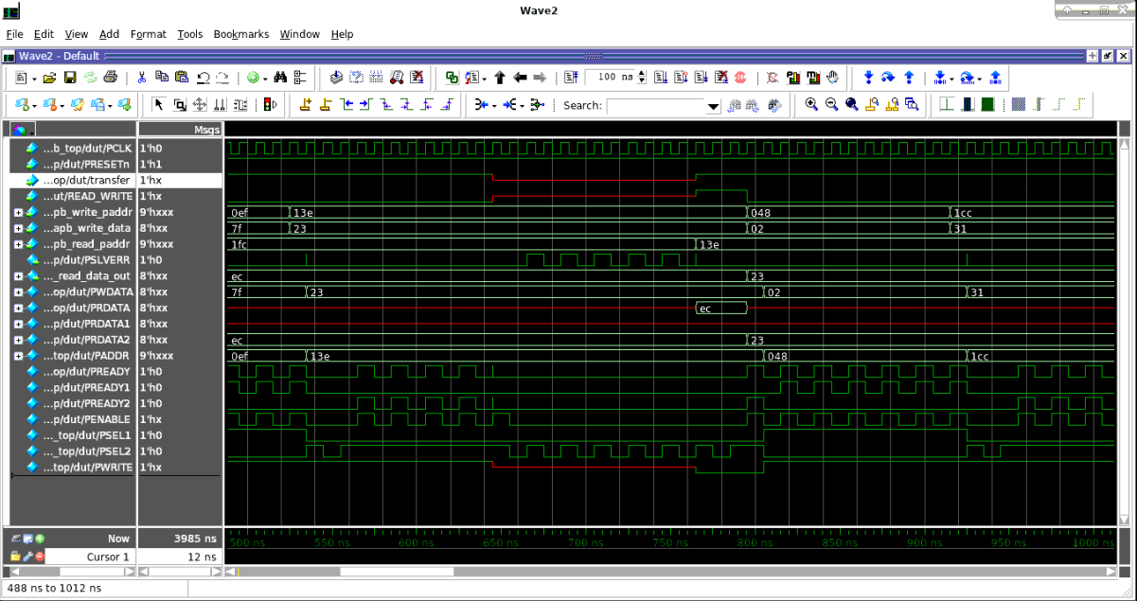
10 | ApbWriteReadDifferentAddressTest | NEGATIVE TESTCASE
11 | ApbRegressionTest | 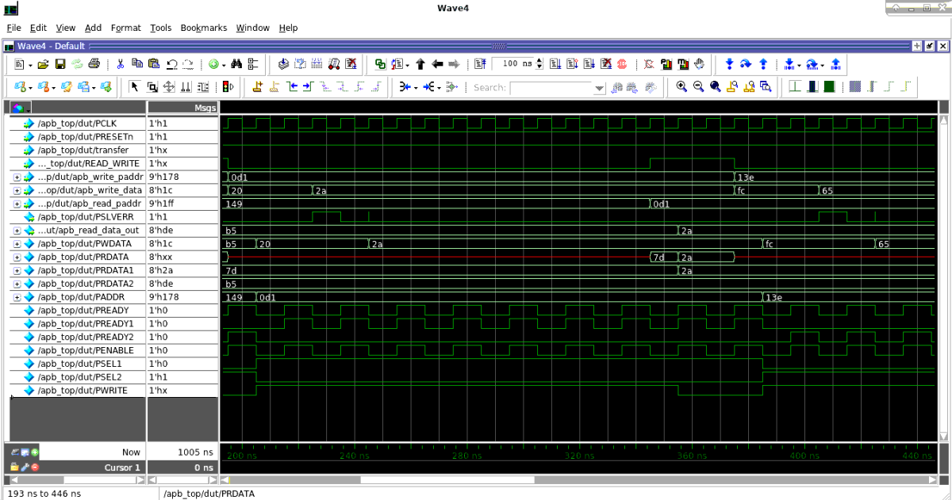 | 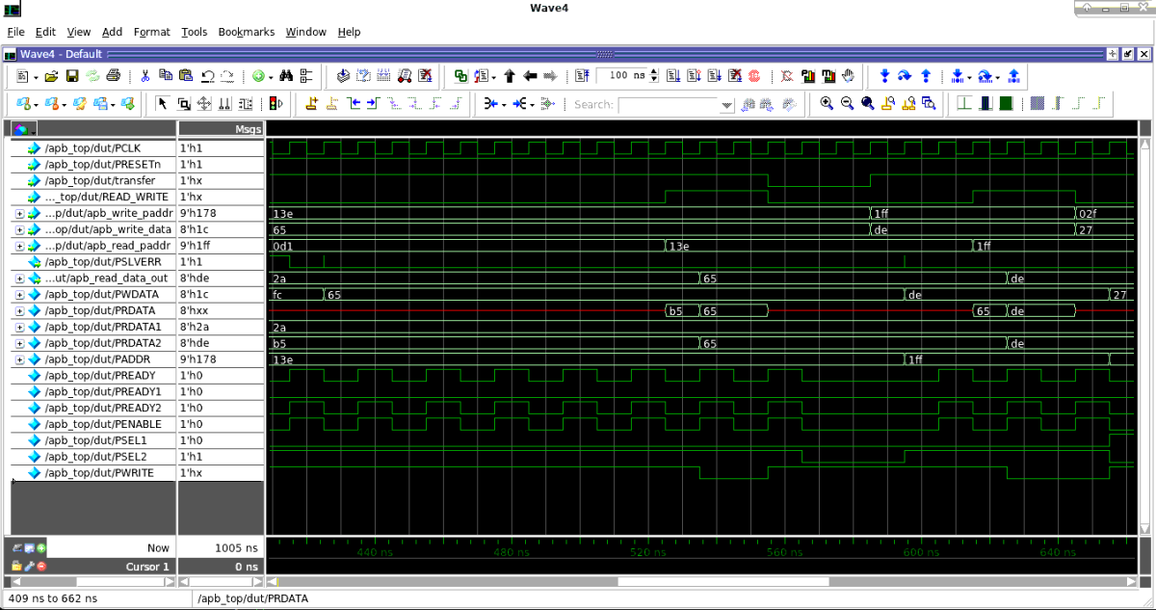

coverage_report
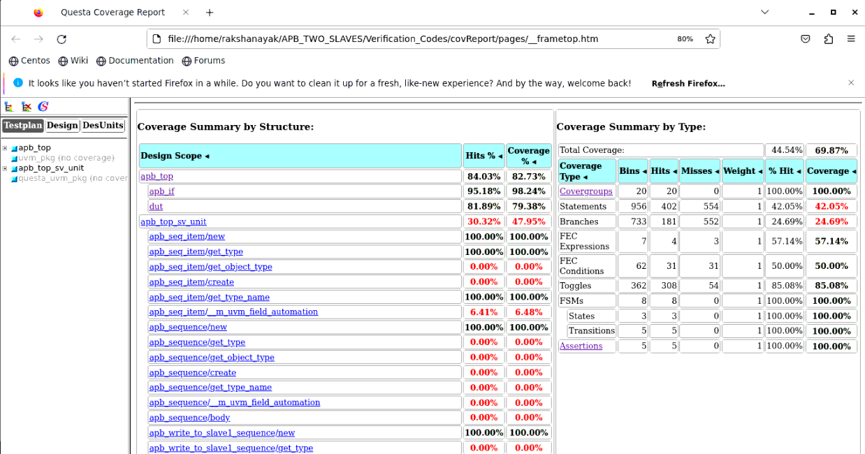
COVERAGE REPORT

Assertion_results
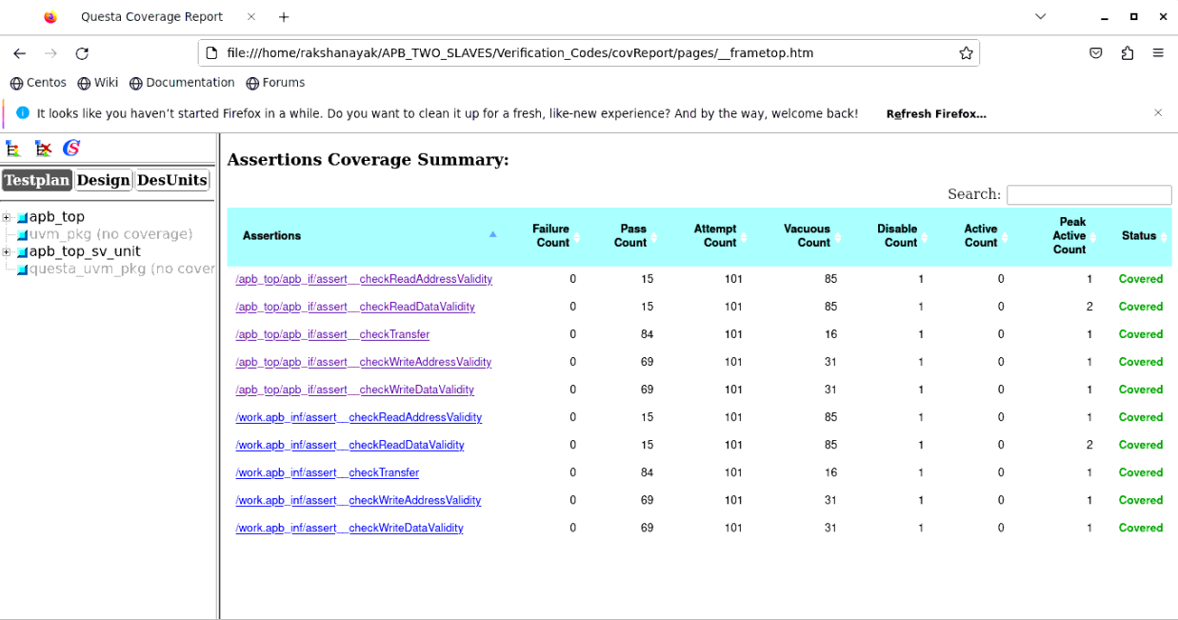
ASSERTION RESULTS

Log_file
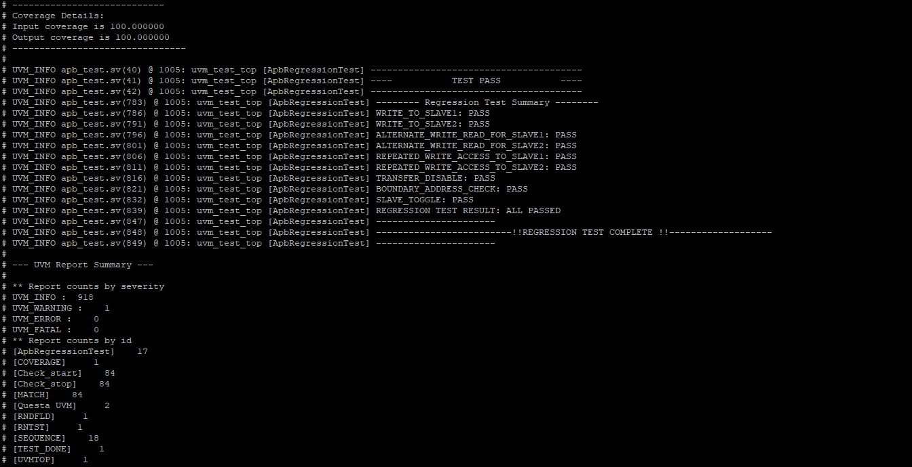
Log file

